Dashboard
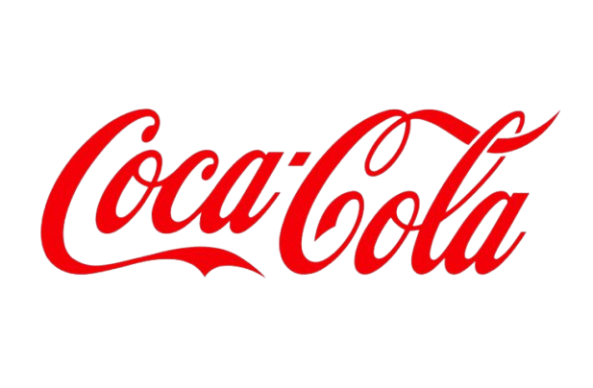
Coca Cola Retailer USA Dashboard

Fiures in USD

Total Sales
Unit Sold
Average Price
Total Operating Profit
12,016,665
24,788,610
0.45
4,722,497

Sales By Beverage Brand |  |  |  | Sales By Retailer
Brand | Sales 2022 | Sales 2023 | Variance | Retailer | Sales 2022 | Sales 2023 | Variance
Coca-Cola | 499,102.0 | 2,268,974.9 | 1,769,872.9 | Amazon | 276,210 | 1,009,699 | 733,489
Dasani Water | 469,270.7 | 1,917,827.8 | 1,448,557.1 | BevCo | 466,788 | 2,327,607 | 1,860,819
Diet Coke | 423,758.7 | 1,633,959.3 | 1,210,200.6 | FizzyCo | 161,210 | 2,262,827 | 2,101,617
Fanta | 315,489.2 | 1,116,062.9 | 800,573.7 | Target | 9,250 | 1,341,995 | 1,332,745
Powerade | 349,533.9 | 1,302,529.3 | 952,995.4 | Walmart | 339,913 | 580,211 | 240,299
Sprite | 366,578.0 | 1,353,578.3 | 987,000.3 | West Soda | 1,170,362 | 2,070,594 | 900,233
Grand Total | 2423732.5 | 9592932.5 | 7,169,200.0 | Grand Total | 2423732.5 | 9592932.5 | 7,169,200

Sales and Operating Margin by Quarter
 | Sales | Operating Profit Margin
Qtr1 | 692776.1 | 0.40174683544
Qtr2 | 644203.9 | 0.4
Qtr3 | 719170.4 | 0.41026548673
Qtr4 | 367582.1 | 0.40243816254
Qtr1 | 1877584.3 | 0.4165704501
Qtr2 | 2379424.8 | 0.42755819477
Qtr3 | 2805752.5 | 0.43470170455
Qtr4 | 2530170.9 | 0.42483932854

